Dashboard
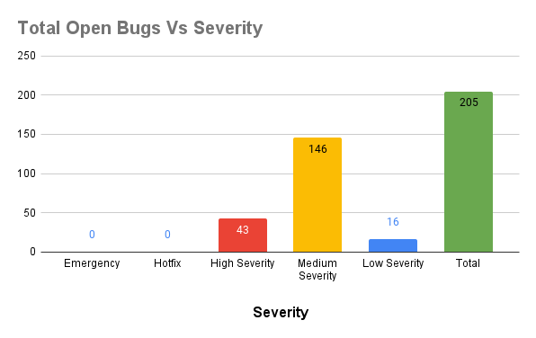
 | P1 Incidents Time to Resolve | Mean Time to Resolve P1
Lead Time - Hotfix
 | Lead Time - Hotfix

Mean Time to Merge - Hotfixes
Stability over the sprints

